Current
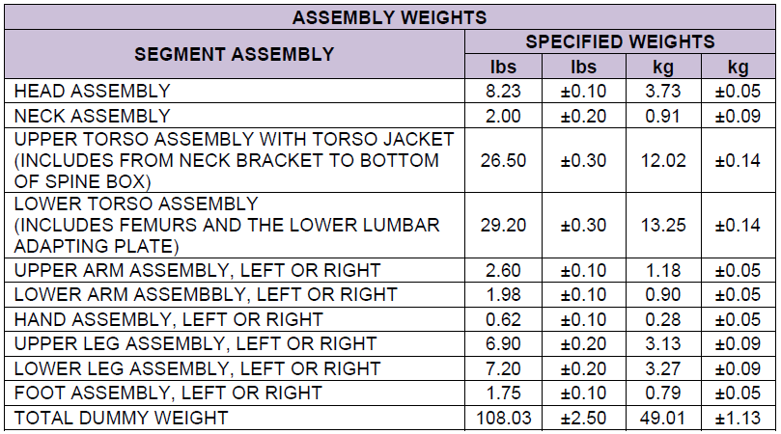
Serial | Date | Upper Torso Weight | Corridor Lower Limit | Corridor Upper Limit | Upper Torso Adjusted Weight
DO3877 | 2013-08-03 | 26.8 | 26.2 | 26.8 | 26.978
EG8227 | 2018-05-07 | 26.7 | 26.2 | 26.8 | 26.878
EI9412 | 2018-09-10 | 26.8 | 26.2 | 26.8 | 26.978
EM4950 | 2019-04-26 | 26.75 | 26.2 | 26.8 | 26.928
EN3747 | 2019-07-25 | 26.7 | 26.2 | 26.8 | 26.878
EO9320 | 2019-11-20 | 26.75 | 26.2 | 26.8 | 26.928
EO9326 | 2019-11-22 | 26.75 | 26.2 | 26.8 | 26.928
EP2775 | 2019-12-12 | 26.75 | 26.2 | 26.8 | 26.928
EP3985 | 2020-01-03 | 26.8 | 26.2 | 26.8 | 26.978
EP4653 | 2020-01-14 | 26.8 | 26.2 | 26.8 | 26.978
EQ1418 | 2020-07-29 | 26.8 | 26.2 | 26.8 | 26.978
EQ4445 | 2020-08-26 | 26.8 | 26.2 | 26.8 | 26.978
EQ8669 | 2020-10-07 | 26.8 | 26.2 | 26.8 | 26.978
ER2483 | 2020-11-06 | 26.75 | 26.2 | 26.8 | 26.928
ER6928 | 2020-12-11 | 26.9 | 26.2 | 26.8
AVERAGE |  |  |  |  | 26.946
STD DEV |  |  |  |  | 0.04
CURRENT VALUE 880105-000-H-NPRM Sheet 6 |  |  |  |  | 26.50±.30
CURRENT VALUE 880105-300-H-NPRM |  |  |  |  | 26.9
RESULT |  |  |  |  | NOT IN SPEC

Hybrid III 5th Female Upper Torso Assembly
 | Upper Torso Weight | Corridor Lower Limit | Corridor Upper Limit | Upper Torso Adjusted Weight
8/3/2013 | 26.8 | 26.2 | 26.8 | 26.978
5/7/2018 | 26.7 | 26.2 | 26.8 | 26.878
9/10/2018 | 26.8 | 26.2 | 26.8 | 26.978
4/26/2019 | 26.75 | 26.2 | 26.8 | 26.928
7/25/2019 | 26.7 | 26.2 | 26.8 | 26.878
11/20/2019 | 26.75 | 26.2 | 26.8 | 26.928
11/22/2019 | 26.75 | 26.2 | 26.8 | 26.928
12/12/2019 | 26.75 | 26.2 | 26.8 | 26.928
1/3/2020 | 26.8 | 26.2 | 26.8 | 26.978
1/14/2020 | 26.8 | 26.2 | 26.8 | 26.978
7/29/2020 | 26.8 | 26.2 | 26.8 | 26.978
8/26/2020 | 26.8 | 26.2 | 26.8 | 26.978
10/7/2020 | 26.8 | 26.2 | 26.8 | 26.928
11/6/2020 | 26.75 | 26.2 | 26.8
12/11/2020 | 26.9 | 26.2 | 26.8

Adjusted
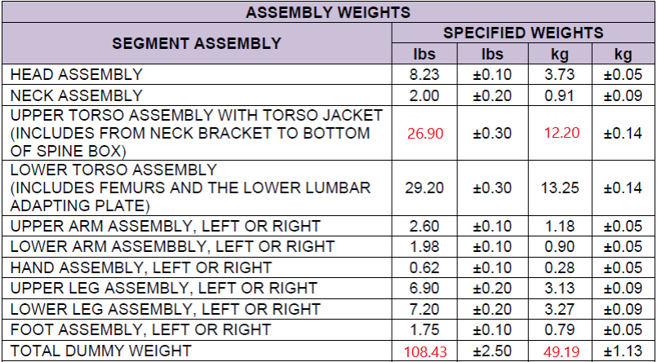
Serial | Date | Upper Torso Weight | Proposed Corridor Lower Limit | Proposed Corridor Upper Limit | Upper Torso Adjusted Weight
DO3877 | 2013-08-03 | 26.8 | 26.6 | 27.2 | 26.978
EG8227 | 2018-05-07 | 26.7 | 26.6 | 27.2 | 26.878
EI9412 | 2018-09-10 | 26.8 | 26.6 | 27.2 | 26.978
EM4950 | 2019-04-26 | 26.75 | 26.6 | 27.2 | 26.928
EN3747 | 2019-07-25 | 26.7 | 26.6 | 27.2 | 26.878
EO9320 | 2019-11-20 | 26.75 | 26.6 | 27.2 | 26.928
EO9326 | 2019-11-22 | 26.75 | 26.6 | 27.2 | 26.928
EP2775 | 2019-12-12 | 26.75 | 26.6 | 27.2 | 26.928
EP3985 | 2020-01-03 | 26.8 | 26.6 | 27.2 | 26.978
EP4653 | 2020-01-14 | 26.8 | 26.6 | 27.2 | 26.978
EQ1418 | 2020-07-29 | 26.8 | 26.6 | 27.2 | 26.978
EQ4445 | 2020-08-26 | 26.8 | 26.6 | 27.2 | 26.978
EQ8669 | 2020-10-07 | 26.8 | 26.6 | 27.2 | 26.978
ER2483 | 2020-11-06 | 26.75 | 26.6 | 27.2 | 26.928
ER6928 | 2020-12-11 | 26.9 | 26.6 | 27.2
AVERAGE |  |  |  |  | 26.946
STD DEV |  |  |  |  | 0.04
CURRENT VALUE 880105-000-H-NPRM Sheet 6 |  |  |  |  | 26.50±.30
CURRENT VALUE 880105-300-H-NPRM |  |  |  |  | 26.9
RESULT |  |  |  |  | NOT IN SPEC

Hybrid III 5th Female Upper Torso Assembly
 | Upper Torso Weight | Proposed Corridor Lower Limit | Proposed Corridor Upper Limit | Upper Torso Adjusted Weight
8/3/2013 | 26.8 | 26.6 | 27.2 | 26.978
5/7/2018 | 26.7 | 26.6 | 27.2 | 26.878
9/10/2018 | 26.8 | 26.6 | 27.2 | 26.978
4/26/2019 | 26.75 | 26.6 | 27.2 | 26.928
7/25/2019 | 26.7 | 26.6 | 27.2 | 26.878
11/20/2019 | 26.75 | 26.6 | 27.2 | 26.928
11/22/2019 | 26.75 | 26.6 | 27.2 | 26.928
12/12/2019 | 26.75 | 26.6 | 27.2 | 26.928
1/3/2020 | 26.8 | 26.6 | 27.2 | 26.978
1/14/2020 | 26.8 | 26.6 | 27.2 | 26.978
7/29/2020 | 26.8 | 26.6 | 27.2 | 26.978
8/26/2020 | 26.8 | 26.6 | 27.2 | 26.978
10/7/2020 | 26.8 | 26.6 | 27.2 | 26.978
11/6/2020 | 26.75 | 26.6 | 27.2 | 26.928
12/11/2020 | 26.9 | 26.6 | 27.2

