External Dimensions Key
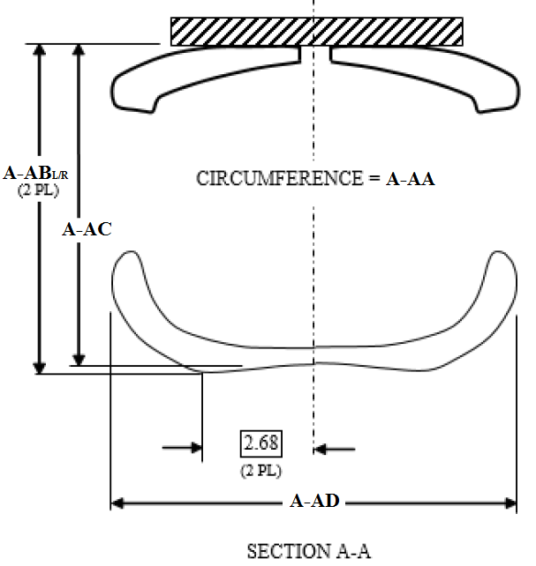
Technician _______________________
Hybrid III 5F Jacket Serial Number ______________________
Date _____________

Take all external and section view measurements
Use the Huron Hybrid III 5F lab dummy
Set H-Point 59mm below center of square hole
Set H-Point 68mm forward of square hole
Set dummy to where left and right H-Point Height is 3.3in +/-0.1in above bench top
Set dummy to where left and right H-Point is 5.8in +/-0.1in from backline
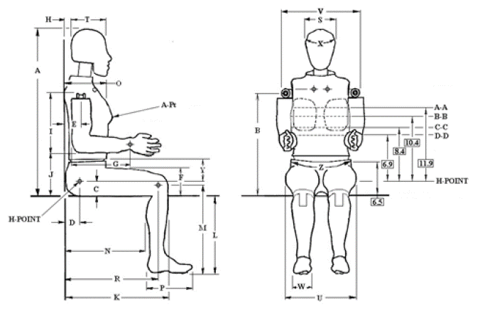

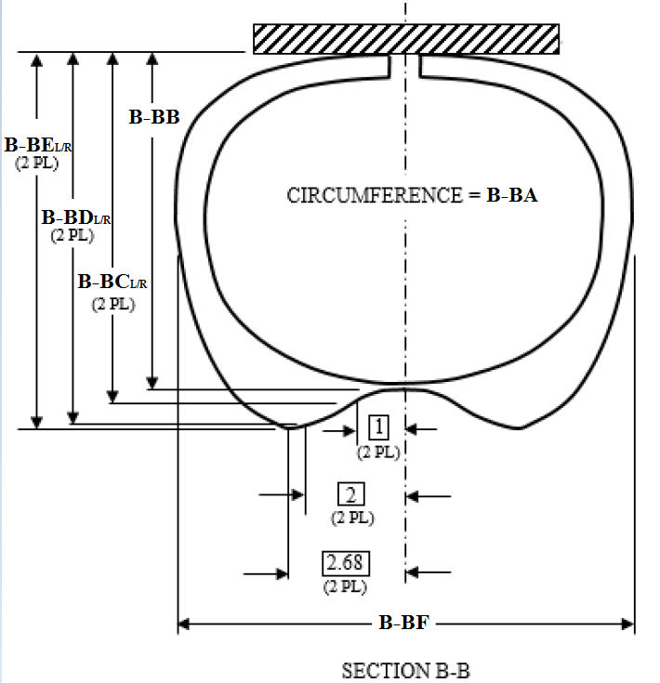

Symbol | Hybrid III 5F External Dimensions | Measurement (in)
Y | Height of lower edge of jacket at anterior-most point on dummy midline
A-Pt (Lt-X) | Left X Distance to the anterior most point on breast from backplate
A-Pt (Lt-Y) | Left Y Distance to the anterior most point on breast from Dummy midline
A-Pt (Lt-Z) | Left Z Distance to the anterior most point on breast from the average H-Point
A-Pt (Rt-X) | Right X Distance to the anterior most point on breast from backplate
A-Pt (Rt-Y) | Right Y Distance to the anterior most point on breast from Dummy midline
A-Pt (Rt-Z) | Right Z Distance to the anterior most point on breast from the average H-Point
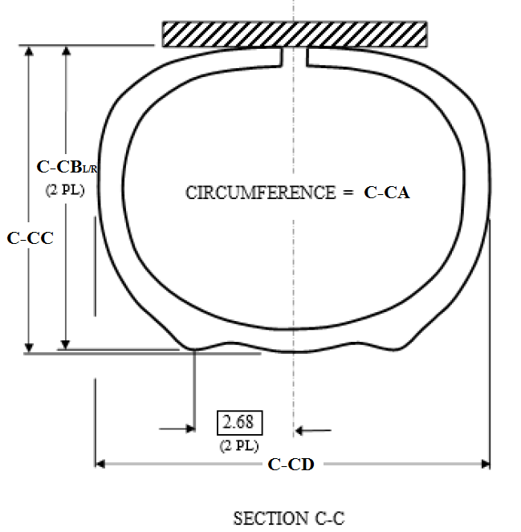
Section A-A Meaurements @ 11.9" above average H-Point Location
A-AA | Section A-A Circumference
A-ABL | Chest Depth @ 2.68" (Left Side of Dummy Midline)
A-ABR | Chest Depth @ 2.68" (Right Side of Dummy Midline)
A-AC | Chest Depth Mid Line of Dummy
A-AD | Section A-A Chest Breadth

Section B-B Meaurements @10.4" above average H-Point Location
B-BA | Section B-B Circumference
B-BB | Chest Depth Mid Line of Dummy
B-BCL | Chest Depth @ 1" (Left Side of Dummy Midline)
B-BCR | Chest Depth @ 1" (Right Side of Dummy Midline)
B-BDL | Chest Depth @ 2" (Left Side of Dummy Midline)
B-BDR | Chest Depth @ 2" (Right Side of Dummy Midline)
B-BEL | Chest Depth @ 2.68" (Left Side of Dummy Midline)
B-BER | Chest Depth @ 2.68" (Right Side of Dummy Midline)
B-BF | Section B-B Chest Breadth

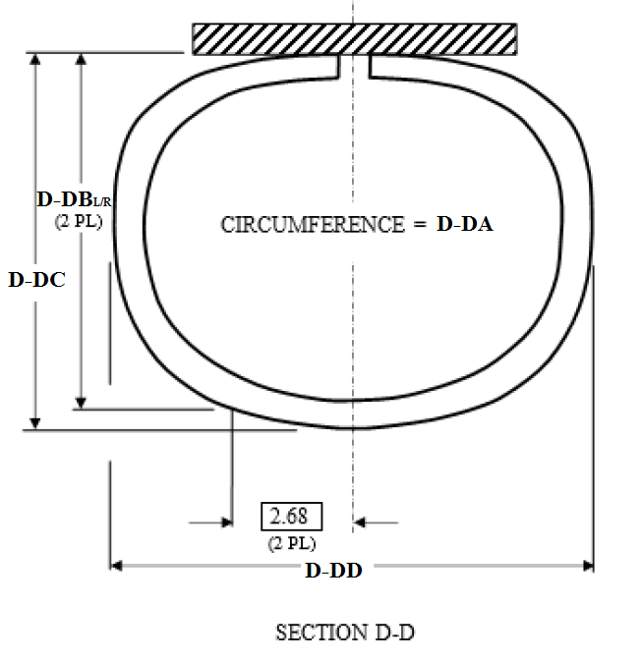
Section C-C Measurements @ 8.4" above average H-Point Location
C-CA | Section C-C Circumference
C-CBL | Chest Depth @ 2.68" (Left Side of Dummy Midline)
C-CBR | Chest Depth @ 2.68" (Right Side of Dummy Midline)
C-CC | Chest Depth Mid Line of Dummy
C-CD | Section C-C Chest Breadth

Section D-D Measurements @ 6.9" above average H-Point Location
D-DA | Section D-D Circumference
D-DBL | Chest Depth @ 2.68" (Left Side of Dummy Midline)
D-DBR | Chest Depth @ 2.68" (Right Side of Dummy Midline)
D-DC | Chest Depth Mid Line of Dummy
D-DD | Section D-D Chest Breadth

Jacket Measurement Key
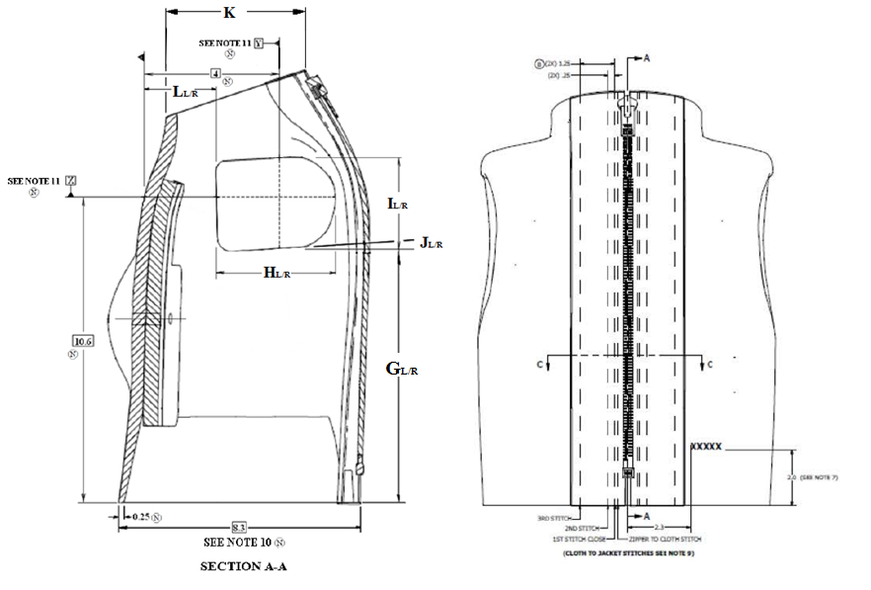
Technician _______________________
Jacket Serial Number ______________________
Date _____________

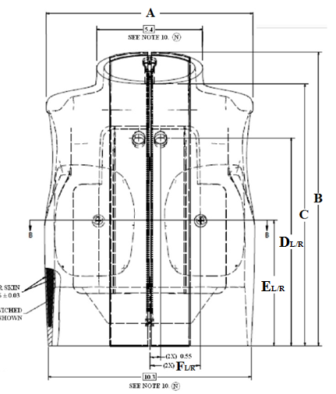
Symbol | Hybrid III 5F Jacket Dimensions | Measurement (in)
A | Shoulder breadth
B | Jacket height at the highest most posterior point
C | Jacket height at the highest most anterior point
DL | Height of left vinyl hole
DR | Height of right vinyl hole
EL | Height of jacket left "+" symbol
ER | Height of jacket right "+" symbol
FL | Distance of jacket left "+" symbol from midline
FR | Distance of jacket right "+" symbol from midline

 | Lateral Section A-A
GL | Bottom arm left hole height @ "Y" datum
GR | Bottom arm right hole height @ "Y" datum
HL | Width of left arm opening
HR | Width of right arm opening
IL | Height of left arm opening @"Y" datum
IR | Height of right arm opening @"Y" datum
JL | Left arm opening angle
JR | Right arm opening angle
LL | Distance from anterior surface of jacket to anterior surface of left arm hole @ 10.6" above base
LR | Distance from anterior surface of jacket to anterior surface of right arm hole @ 10.6" above base

